BDA PILOT DEC 2022 Q23
...
 |  |  |  |  | PVIF = (1+r)^-n |  |  | DEFAULT | SCENARIO 1 | SCENARIO 2 | SCENARIO 3
 | Scenario 2 | 10% | 15,000,000 | 2,000,000 | 8% | NPV | - | - | 2,402,159 | 4,763,340 | 12,027,076
 | Scenario 3 | 13% | 20,000,000 | 4,000,000 | 7%
 |  |  |  |  |  |  | Details | DEFAULT SCENARIO | SCENARIO 1 | SCENARIO 2 | SCENARIO 3
Prepare detailed outcomes of the project under each of the above scenarios. (8 marks) |  |  |  |  |  |  | NPV | - | 2,402,159 | 4,763,340 | 12,027,076
...
 |  |  |  |  | PVIF = (1+r)^-n |  |  | DEFAULT | SCENARIO 1 | SCENARIO 2 | SCENARIO 3
 |  |  |  |  |  |  | Details | NPV
 |  |  |  |  |  |  | DEFAULT SCENARIO | -
(c) Assume that an investor takes an investment loan of Sh.150,000,000. The loan is for 48 months at an annual interest rate of |  |  |  |  |  |  | SCENARIO 1 | 2,402,159
15 percent (which the bank translates to a monthly rate of 15%/12 = 1.25%). The payments are to be made at the end of each |  |  |  |  |  |  | SCENARIO 2 | 4,763,340
of the next 48 months. |  |  |  |  |  |  | SCENARIO 3 | 12,027,076
Required:
(i) Calculate the monthly payment on the loan. (2 marks)
(ii) Assume that you have the following options to negotiate with the bank:
 | Option | Annual interest rate (%) | Term
 | Option 1 | 15 | 48 months | 4
...
 |  |  |  |  | PVIF = (1+r)^-n |  |  | DEFAULT | SCENARIO 1 | SCENARIO 2 | SCENARIO 3
 | Option 2 | 18 | 60 months | 5
 | Option 3 | 13 | 36 months | 3
...
 |  |  |  |  | PVIF = (1+r)^-n |  |  | DEFAULT | SCENARIO 1 | SCENARIO 2 | SCENARIO 3
Use a two-way data table to determine which option would be the most favourable to the investor. (4 marks)
 |  |  |  |  | (Total: 20 marks)
...
 |  |  |  |  |  |  |  |  |  |  |  | period | opening balance | Installment(pmt) | Interest(ipmt) | Principal(ppmt) | Ending balance | outstanding bal % | period | opening balance | Installment(pmt) | Interest(ipmt) | Principal(ppmt) | Ending balance
 |  |  |  |  |  |  |  |  |  |  |  | 29 | 38,530,758 | 5,054,093 | 417,417 | 4,636,676 | 33,894,082 | 0.2260 | 29 | 38,117,815 | 4,999,927 | 412,943 | 4,586,984 | 33,530,831
 |  |  |  |  |  |  |  |  |  |  |  | 30 | 33,894,082 | 5,054,093 | 367,186 | 4,686,907 | 29,207,175 | 0.1947 | 30 | 33,530,831 | 4,999,927 | 363,251 | 4,636,676 | 28,894,155
 |  |  |  |  |  |  |  |  |  |  |  | 31 | 29,207,175 | 5,054,093 | 316,411 | 4,737,682 | 24,469,493 | 0.1631 | 31 | 28,894,155 | 4,999,927 | 313,020 | 4,686,907 | 24,207,248
 |  |  |  |  |  |  |  |  |  |  |  | 32 | 24,469,493 | 5,054,093 | 265,086 | 4,789,007 | 19,680,486 | 0.1312 | 32 | 24,207,248 | 4,999,927 | 262,245 | 4,737,682 | 19,469,566
 |  |  |  |  |  |  |  |  |  |  |  | 33 | 19,680,486 | 5,054,093 | 213,205 | 4,840,888 | 14,839,599 | 0.0989 | 33 | 19,469,566 | 4,999,927 | 210,920 | 4,789,007 | 14,680,560
 |  |  |  |  |  |  |  |  |  |  |  | 34 | 14,839,599 | 5,054,093 | 160,762 | 4,893,330 | 9,946,268 | 0.0663 | 34 | 14,680,560 | 4,999,927 | 159,039 | 4,840,888 | 9,839,672
 |  |  |  |  |  |  |  |  |  |  |  | 35 | 9,946,268 | 5,054,093 | 107,751 | 4,946,342 | 4,999,927 | 0.0333 | 35 | 9,839,672 | 4,999,927 | 106,596 | 4,893,330 | 4,946,342
 |  |  |  |  |  |  |  |  |  |  |  | 36 | 4,999,927 | 5,054,093 | 54,166 | 4,999,927 | (0) | 0.0000 | 36 | 4,946,342 | 4,999,927 | 53,585 | 4,946,342 | (0)

A line graph showing outstanding bal % against months
 | outstanding bal %
1 | 0.9771
2 | 0.9540
3 | 0.9307
4 | 0.9071
5 | 0.8832
6 | 0.8591
7 | 0.8347
8 | 0.8100
9 | 0.7851
10 | 0.7599
11 | 0.7345
12 | 0.7087
13 | 0.6827
14 | 0.6564
15 | 0.6298
16 | 0.6030
17 | 0.5758
18 | 0.5483
19 | 0.5206
20 | 0.4925
21 | 0.4642
22 | 0.4355
23 | 0.4065
24 | 0.3772
25 | 0.3476
26 | 0.3177
27 | 0.2875
28 | 0.2569
29 | 0.2260
30 | 0.1947
31 | 0.1631
32 | 0.1312
33 | 0.0989
34 | 0.0663
35 | 0.0333
36 | 0.0000

 |  |  |  |  |  |  |  |  |  |  |  |  | period | outstanding bal %
 |  |  |  |  |  |  |  |  |  |  |  |  | 1 | 0.9771
 |  |  |  |  |  |  |  |  |  |  |  |  | 2 | 0.9540
 |  |  |  |  |  |  |  |  |  |  |  |  | 3 | 0.9307
 |  |  |  |  |  |  |  |  |  |  |  |  | 4 | 0.9071
 |  |  |  |  |  |  |  |  |  |  |  |  | 5 | 0.8832
 |  |  |  |  |  |  |  |  |  |  |  |  | 6 | 0.8591
 |  |  |  |  |  |  |  |  |  |  |  |  | 7 | 0.8347
 |  |  |  |  |  |  |  |  |  |  |  |  | 8 | 0.8100
 |  |  |  |  |  |  |  |  |  |  |  |  | 9 | 0.7851
 |  |  |  |  |  |  |  |  |  |  |  |  | 10 | 0.7599
 |  |  |  |  |  |  |  |  |  |  |  |  | 11 | 0.7345
 |  |  |  |  |  |  |  |  |  |  |  |  | 12 | 0.7087
 |  |  |  |  |  |  |  |  |  |  |  |  | 13 | 0.6827
 |  |  |  |  |  |  |  |  |  |  |  |  | 14 | 0.6564
 |  |  |  |  |  |  |  |  |  |  |  |  | 15 | 0.6298
 |  |  |  |  |  |  |  |  |  |  |  |  | 16 | 0.6030
 |  |  |  |  |  |  |  |  |  |  |  |  | 17 | 0.5758
 |  |  |  |  |  |  |  |  |  |  |  |  | 18 | 0.5483
 |  |  |  |  |  |  |  |  |  |  |  |  | 19 | 0.5206
 |  |  |  |  |  |  |  |  |  |  |  |  | 20 | 0.4925
 |  |  |  |  |  |  |  |  |  |  |  |  | 21 | 0.4642
 |  |  |  |  |  |  |  |  |  |  |  |  | 22 | 0.4355
 |  |  |  |  |  |  |  |  |  |  |  |  | 23 | 0.4065
 |  |  |  |  |  |  |  |  |  |  |  |  | 24 | 0.3772
...

JAWABU LIMITED
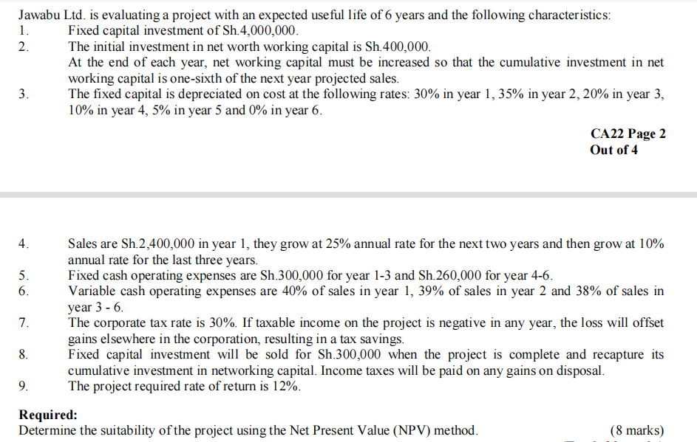

BDA DECEMBER 2024 Q22
...
0 | 1 | 2 | 3 | 4 | 5
 | (31,500,000) | (36,000,000) | (41,100,000) | (37,500,000) | (31,800,000)
 | 45,000,000 | 31,500,000 | 22,500,000 | 15,000,000 | 10,500,000
(20,000,000) | (5,000,000) | (5,000,000) | (5,000,000) | (5,000,000) | 40,000,000
 |  |  |  |  | 70,000,000
 |  |  |  |  | 4,500,000
(500,000,000)
(520,000,000) | 113,500,000 | 110,500,000 | 113,400,000 | 97,500,000 | 199,200,000
...
0 | 1 | 2 | 3 | 4 | 5
 | WACC | NPV | PV of net casfflows | IO | PI=PV of cashflows/IO
6.4377313% | 1.0% | 93,991,422 | 613,991,422.417 | 520,000,000 | 1.181
 | 2.0% | 74,839,519 | 594,839,519.224 | 520,000,000 | 1.144
 | 3.0% | 56,587,244 | 576,587,243.908 | 520,000,000 | 1.109
 | 4.0% | 39,181,552 | 559,181,552.288 | 520,000,000 | 1.075
 | 5.0% | 22,573,083 | 542,573,082.791 | 520,000,000 | 1.043
 | 6.0% | 6,715,865 | 526,715,865.216 | 520,000,000 | 1.013
 | 7.0% | (8,432,945) | 511,567,055.197 | 520,000,000 | 0.984
 | 8.0% | (22,913,308) | 497,086,691.864 | 520,000,000 | 0.956
 | 9.0% | (36,762,524) | 483,237,476.491 | 520,000,000 | 0.929
 | 10.0% | (50,015,430) | 469,984,570.105 | 520,000,000 | 0.904
 | 11.0% | (62,704,592) | 457,295,408.294 | 520,000,000 | 0.879
 | 12.0% | (74,860,468) | 445,139,531.589 | 520,000,000 | 0.856
 | 13.0% | (86,511,570) | 433,488,429.991 | 520,000,000 | 0.834
 | 14.0% | (97,684,600) | 422,315,400.326 | 520,000,000 | 0.812
 | 15.0% | (108,404,585) | 411,595,415.285 | 520,000,000 | 0.792
10%
-50,015,429.89 |  |  |  |  |  |  |  | WACC
 |  |  | (50,015,430)
 |  | 20.0% | (39,608,757) |  | -50,015,429.89 | 6% | 7% | 8% | 9% | 10% | 11%
 | TAX | 22.0% | (41,690,092) |  | 11% | 30,315,194 | 14,139,120 | (1,319,635) | (16,101,122) | (30,242,752) | (43,779,497)
 |  | 24.0% | (43,771,426) |  | 12% | 29,073,124 | 12,951,117 | (2,456,144) | (17,188,564) | (31,283,420) | (44,775,555)
 |  | 26.0% | (45,852,761) |  | 13% | 27,831,054 | 11,763,113 | (3,592,653) | (18,276,006) | (32,324,087) | (45,771,613)
 |  | 28.0% | (47,934,095) | TAX RATE | 14% | 26,588,984 | 10,575,110 | (4,729,162) | (19,363,448) | (33,364,754) | (46,767,670)
 |  | 30.0% | (50,015,430) |  | 15% | 25,346,914 | 9,387,106 | (5,865,671) | (20,450,890) | (34,405,421) | (47,763,728)
 |  | 32.0% | (52,096,764) |  | 16% | 24,104,844 | 8,199,103 | (7,002,180) | (21,538,333) | (35,446,089) | (48,759,785)
70,000,000 |  | 34.0% | (54,178,099) |  | 17% | 22,862,774 | 7,011,100 | (8,138,690) | (22,625,775) | (36,486,756) | (49,755,843)
...

BDA APRIL 2025 Q22
...
QUESTION 22
 |  | WACC | NPV
 |  | 6% | 6,702,401
 |  | 7% | 4,976,925
 |  | 8% | 3,330,016
 |  | 9% | 1,757,204
 |  | 10% | 254,317
 |  | 11% | -1,182,542
 |  | 12% | -2,557,014
 |  | 13% | -3,872,503
 |  | 14% | -5,132,196
Ascatter graph showing NPV against WACC
...
 |  | IRR 10.174%
Scenario | Base | Initial capital outlay +7.5% | Selling price -7.5% | Variable cost+7.5% | Fixed costs+7.5% | units produced-7.5% | WACC +7.5%
NPV | 6,702,401.48 | (4,932,542.29) | (8,555,856.84) | (4,869,199.56) | (1,875,522.98) | (4,869,199.56) | (2,320,832.76)
Status | Not viable | Not viable | Not viable | Not viable | Not viable | Not viable | Not viable |  |  |  |  | PV of the regular cashflows | 39,915,688
 |  |  |  |  |  |  |  |  |  |  |  | PV of the residual value | 8,901,770
Additional information: |  |  |  |  |  |  |  |  |  |  |  | Total pv | 48,817,458
1. If implemented, the project has a potential sales value of 38,000 units per annum.
2. The project has a useful life of 5 years. |  |  |  |  |  |  |  |  |  |  |  | NPV | (1,182,542) | Not viable
3. Viongozi Enterprise uses a weighted average cost of capital (WACC) of 11%.
4. For better perspective, the management would like to see the variability in the project returns given a 7.5% |  |  |  | Details | Base | Initial capital outlay +7.5% | Selling price -7.5% | Variable cost+7.5% | Fixed costs+7.5% | units produced-7.5% | WACC +7.5%
 |  |  |  | NPV | 6,702,401.48 | (4,932,542.29) | (8,555,856.84) | (4,869,199.56) | (1,875,522.98) | (4,869,199.56) | (2,320,832.76)
a clustered column showing NPV under different variables
5. For each scenario of input variability, the rest of the inputs are restored to the default input values.

Required:
(a) Compute the base net present value (NPV) of the project.

(b) Carry out the NPV sensitivity analysis of all the project inputs except residual value and project life.

(c) Prepare an appropriate chart to indicate the different NPVs for each scenario in (b) above.

(d) Identify the inputs variability where the project still remain viable.

 |  |  |  |  |  |  |  |  |  |  |  | (5 marks)

 |  |  |  |  |  |  |  |  |  |  |  | (5 marks)

 |  |  |  |  |  |  |  |  |  |  |  | (5 marks)

 |  |  |  |  |  |  |  |  |  |  |  | (5 marks)
...

